OVERVIEW
DE MARQUET - https://demarquet.com/
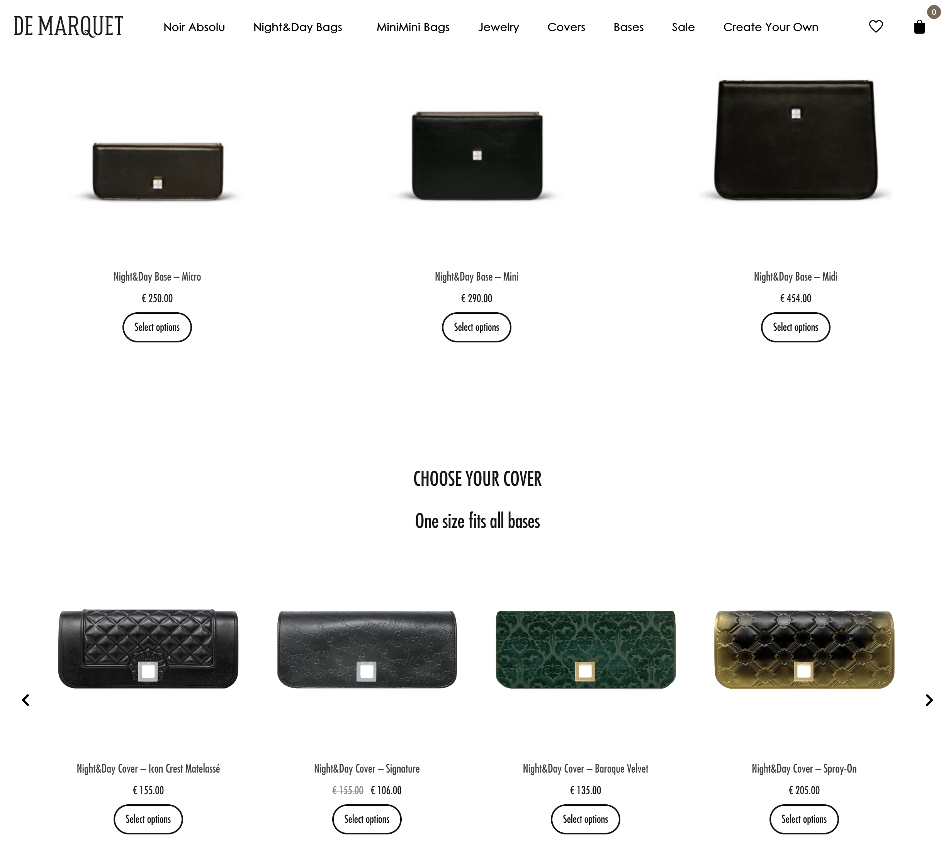
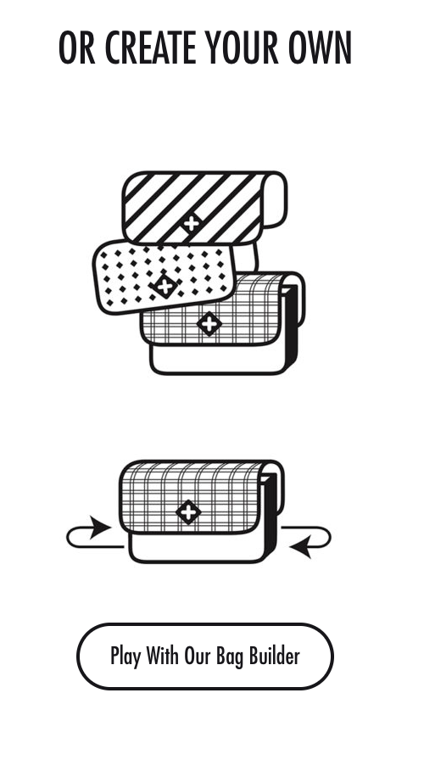
IMAGE | NAME | STOCK | ORIGINAL RETAIL PRICE | TOT
BAGS

NIGHT&DAY BAGS
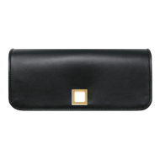 | Covers - various colors | 587 | 100 | 58,700.00 €
 | Micro Base - various colors | 8 | 250.00 € | 2,000.00 €
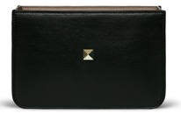 | Mini Bases - various colors | 181 | 290.00 € | 52,490.00 €
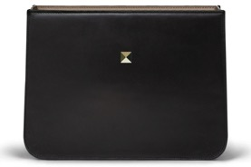 | Midi Bases - various colors | 38 | 454.00 € | 17,252.00 €

JEWELRY

 | TOTAL | 814 |  | 130,442.00 €

